Sheet1
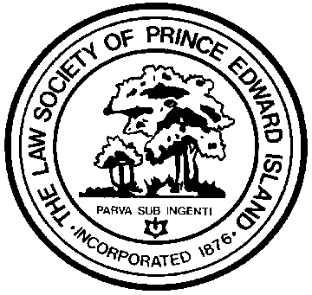
 |  |  | Expense Claim Form

 |  |  | Law Society of Prince Edward Island
 |  |  | 49 Water Street, P.O. Box 128
 |  |  | Charlottetown, PE C1A 7K2

Reimbursement
The Law Society of PEI shall reimburse actual reasonable expenses incurred by
members and staff while conducting business for the Society.

IMPORTANT: For audit purposes, please provide original receipts.
(It is not necessary to break out the GST/HST - this can be done for you.)

Claimant:
Event/Purpose:
Date: |  |  | Location:
Mailing Address:
Tel. #: |  |  | Email:
Date of Claim:

Expenses |  | Cost without GST/HST ($) | GST/HST ($) | Total ($)
Air or Rail |  |  |  | $-
Hotel |  |  |  | $-
Taxi |  |  |  | $-
Parking |  |  |  | $-
Car Rental |  |  |  | $-
Meals |  |  |  | $-
Other (please specify) |  |  |  | $-
 |  |  |  | $-
 |  |  |  | $-
 |  |  |  | $-
Mileage (personal car) |  | Calculated @$0.453 per Km
0 | KM | - | - | $-
TOTAL |  | - | - | $-

Signature of Claimant:

Office Use:
Approval:
Date Paid: |  |  | Cheq #

